Sheet1
Document Information
Document Name: |  |  | 033-0000-10160-10204-Maniatutu Rd Int-Rev2-1 |  |  |  |  |  | Status & Description: |  |  | Revision 2.1
Document Guarantor: |  |  | John Bezuidenhout |  |  |  |  |  |  |  |  | Preliminary Version for Higgins Review
Document Patron: |  |  | John Bezuidenhout |  |  |  |  |  | Written By: |  |  | Rosalie Collins-Gargan Date: 12 Jun 2024
Pavement Designer: |  |  | N/A |  |  |  |  |  | Reviewed By: |  |  | Robert Tutty Date: 17 Jul 2025
Pavement Design Reviewer: |  |  | N/A |  |  |  |  |  | Approved By: |  |  | Date:

SITE DETAILS |  |  |  |  |  |  |  | Visual Observations |  |  |  |  | Design Traffic Volume
Site Name: |  | SH33 Maniatutu Rd Int
 |  |  |  |  |  |  |  | Surface Defects: |  |  | Cracking Fretting / Scabbing |  | AADT (2024) | 7,547
Lanes To Be Treated: |  | L1 L2 R2 R1 |  |  |  |  |  |  |  |  |  |  | Heavy Vehicles | 13.2%
Site Type: |  | Intersection Signalised |  |  |  |  |  |  |  |  | Flushing |  | Growth Rate | 4.7%
 |  | Roundabout Steep Gradient |  |  |  |  |  |  |  |  | Shoving |  | LDF / DF | 1 / 0.5
 |  | Small Radius Curve |  |  |  |  |  | Pavement Defects: |  |  | Rutting |  | NHVAG | 2.94
 |  | Other Turning bay, very low volume |  |  |  |  |  |  |  |  | Fatigue Cracking |  | NDT | 6.62E+06
Posted Speed Limit: |  | 100 km/h |  |  |  |  |  |  |  |  | Failure |  | ESA / HVAG | 0.544
T/10 Skid Resistence: |  | IL: 0.4 & 0.45 |  |  |  |  |  |  |  |  | Pothole |  | DESA 10 Year | 3.60E+06
Existing Surfacing: |  | Date: 9/02/2010 |  |  |  |  |  | Other: |  |  |  |  | Comments:
 |  | Material: SMA
 |  | Depth: 100mm, based one one pit

Pavement Curvature (mm)
0.50 0.40 0.30 0.20 0.10 0.00 L1 R1 90th%ile Curvature Curvature Threshold

Pavement Deflection & Curvature Data

 | L1 |  |  |  |  | R1 |  |  |  | Curvature Threshold¹: 0.23 (mm)
 | d0 |  |  | Curv |  | d0 | Curv |  |  | Comments:
Minimum (mm) | 0.59 |  |  | 0.14 |  | 0.4 | 0.11 |  |  | This site has localised areas of high curvature.
Mean (mm) | 0.79 |  |  | 0.21 |  | 0.9 | 0.22
Maximum (mm) | 0.95 |  |  | 0.25 |  | 1.34 | 0.3
90th%ile (mm) | 0.92 |  |  | 0.24 |  | 1.3 | 0.29
95th%ile (mm) | 0.93 |  |  | 0.25 |  | 1.32 | 0.29
Standard Deviation | 0.12 |  |  | 0.04 |  | 0.38 | 0.08
1Thin Asphalt Surfacing Life Analysis and Guidelines (2017), Waka Kotahi NZTA

 |  |  |  |  |  |  |  |  |  |  |  | Older pit taken a few years back provided here for info
Pavement Test Pits
TP1 10165 R1 RWP 0 100 200 300 400 CBR 4% @ 500 mm 500 600 Surfacing Basecourse Subbase Subgrade

Design Notes

Design approach: - Evaluate the FWD pavement surface curvature, undertake field inspection, and consider strengthening the existing pavement where the curvature exceeds the selected threshold for the site, whilst also taking into account the current surface condition and the achieved life to date of that surfacing. Proposed Surfacing Treatments - Mill and Inlay: - Mill and replace 50mm of the existing surface with SMA12.5 on a waterproofing seal where indicated on the Treatment Plan. Proposed Strengthening - Mill and Inlay: - Mill an additional 100mm and replace with AC20 prior to SMA12.5 if indicated on the Treatment Plan. The nominated 100mm thick AC 20 strengthening depth, has not been formally ‘designed’, but has been provided as a practical option, based on design experience, practitioner input, and suitability relative to the AC20 maximum aggregate size. Formal asphalt designs using detailed materials testing and analysis using Circly or similar, generally provide significant depths of AC strengthening, (eg 150-170mm strengthening, plus the 50mm top surface). These are considered conservative, and excessive, given NZTA’s funding constraints. The report requires the milled surface to be proof rolled prior to the laying of any structural layer, and provides additional guidance if/where that ‘foundation’ may be found to be unsuitable. 100mm AC 20 strengthening depth, is considered a suitable cost effective treatment, and has been used successfully in EW NOC for the past few seasons.
Materials & Construction
Surfacing Materials
• SMA12.5 - PG64V binder • Grade 4 or 5 waterproofing seal where exposed milled surface is granular • Bitumen emulsion tack coat where exposed milled surface is asphalt and between asphalt layers • Skid and Texture requirements (T/10) - Refer to Treatment Plan for skid category site locations.
Strengthening Materials
• Structural layer - AC20 PG64V • Grade 4 or 5 bitumen emulsion membrane seal underneath AC20 layer
Construction Considerations
General • All works to be carried out in accordance with NZTA Specifications and the NOC contract requirements. • Construction quality control requirements are detailed in the Surfacing Renewal Quality Plan for this site and is approved separately to this document; however, it must be read in conjunction with this design report. Re-Surfacing (Mill & Fill) • The milled surface shall be inspected and proof rolled prior to placing of any asphalt layer. Proof rolling of the entire exposed area to be undertaken with a rubber-tyred roller or loaded aggregate / asphalt truck. Areas showing movement under proof rolling or having loose materials on the surface, shall be marked out for Strengthening Treatment as described below. • Where no strengthening treatment is required, the milled surface shall receive a waterproofing seal if granular (Grade 4 or 5 with at least 1.0 l/m2 residual bitumen) or a tack coat if there is already a waterproof surface prior to placing the new asphalt surfacing layer. Strengthening Treatment (Mill & Fill) • Strengthening Treatment shall be carried out if indicated on the Treatment Plan. • The milled surface shall be inspected and proof rolled prior to placing the structural asphalt layer as described above. Areas showing movement under proof rolling or having loose materials on the surface, shall receive Additional Strengthening Treatment - refer to details below. • Where no additional strengthening is required, the milled surface shall receive a membrane seal of at least 1 l/m2 residual bitumen prior to placing the asphalt strengthening layer. Additional Strengthening Treatment (Mill & Fill - 80mm AC20) • Locations determined on site. • Additional Strengthening includes the removal of an additional 80mm of pavement and replacement with AC20 on a membrane seal of at least 1 l/m2 residual binder prior to placing the asphalt strengthening layer.

Risks and Mitigation
Special features and requirements of the resurfacing that introduce or mitigate risk are identified below. Mitigations proposed as part of our resurfacing solution are also described.
Risk Identified |  |  |  |  | Potential Consequences |  |  |  |  |  |  | Mitigation Proposed
Surface shape not meeting the specified requirements (Shape irregularities shall be no greater than 5mm under a 3m straight edge when measured transversely and longitudinally across the finished surface). |  |  |  |  | If there are shape irregularities in the adjacent pavement of greater than 5mm, and it is not practical to extend the treatment to a point where there are no shape irregularities, it is unlikely that either the specified rutting or roughness will be able to be achieved, at the tie-ins. |  |  |  |  |  |  | Ignore tie-in shape for first and last 20m of site.
Roughness - The post construction determination of the roughness must consider the geometry of the site. In some cases, it is impossible due to changes in levels and constraints such as intersections and services to obtain the specified roughness levels. e.g where the site is an overlay treatment, or has tight geometric curves, or is too short, or is an in-lane treatment, or constrained by kerb. |  |  |  |  | Unable to meet PCDAR roughness requirements. Short site less than 50m long, so unable to get a 100m rolling average, and also includes a side road with incoming side road geometrics. |  |  |  |  |  |  | Disregard PCDAR roughness performance. Capture straight edge shape measurements at time of construction.
Rutting |  |  |  |  | PCDAR rut measurement is unreliable for a short site. |  |  |  |  |  |  | Ignore PCDAR rut measure. Capture straight edge shape measurements at time of construction.
Skid resistance |  |  |  |  | Insufficient skid resistance. Inability of the new asphalt surfacing to meet the Equilibrium SCRIM Coefficient. Loss of control & Crash risk. |  |  |  |  |  |  | Site is on a slight hill with a low volume side road. A standard SMA aggregate (eg Taotaoroa) has been shown to be sufficient for skid in this environment. Site is very short, in any case
Cracking, pavement strength |  |  |  |  | There are areas on site where a thin asphalt surface (without any strengthening) will be insufficient to accommodate the existing pavement deflections/curvature. |  |  |  |  |  |  | If any required strengthening is not undertaken, then the surface life will be severely compromised. If that is the case, NZTA accept the risk for cracking, rutting and roughness.
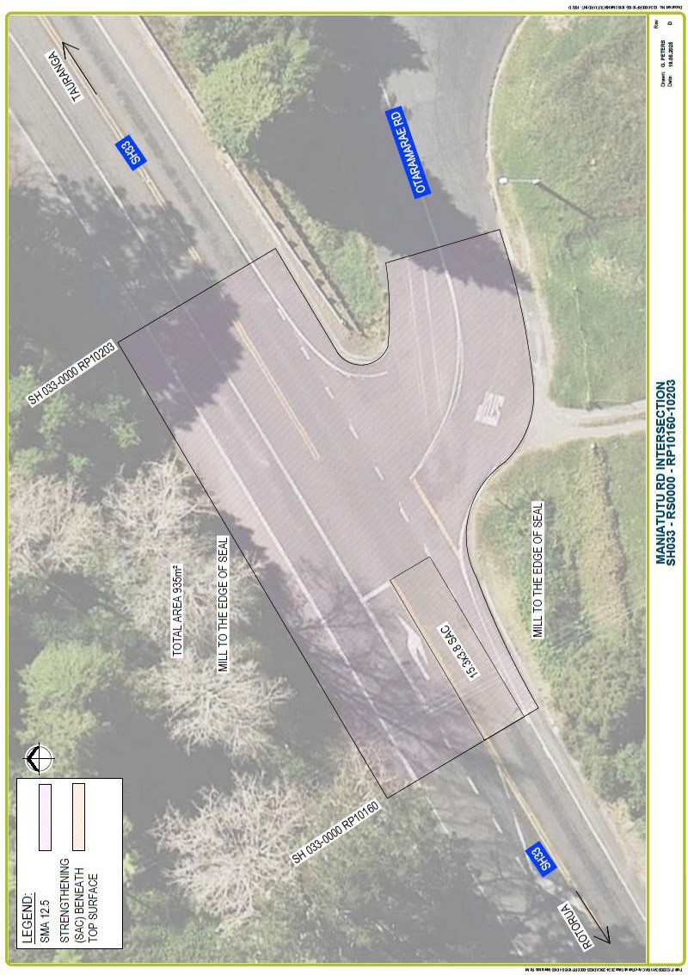
APPENDIX A - SITE LAYOUT PLAN

APPENDIX B - SITE PHOTOGRAPH
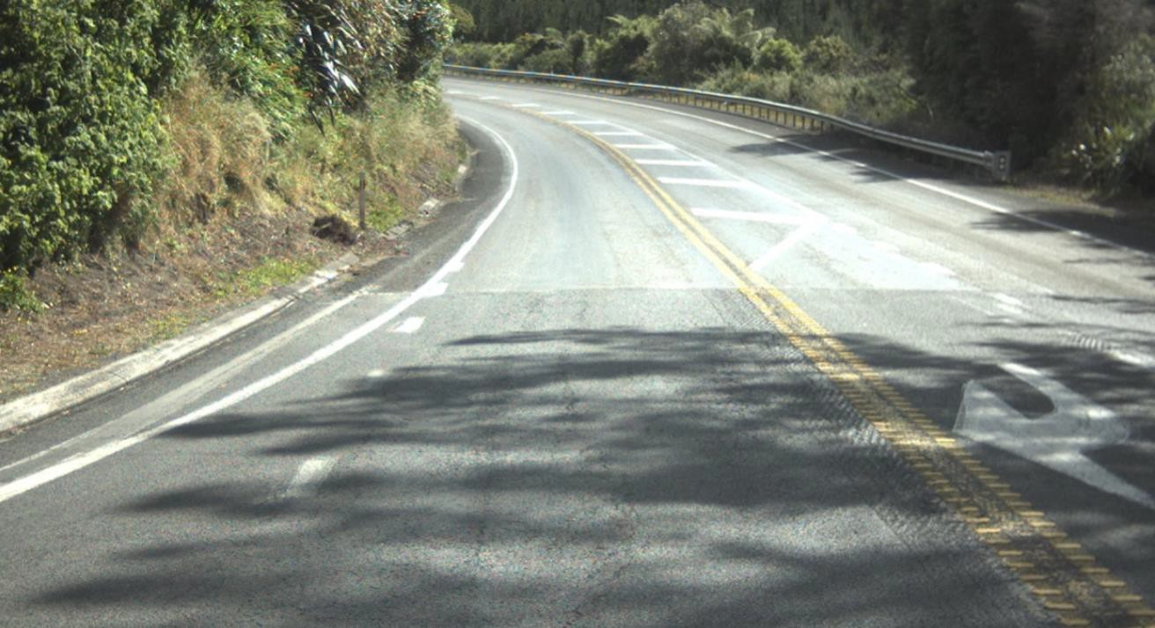 Figure 1: Cracking, ravelling, surface deterioration of the decreasing lane.

